Sheet1
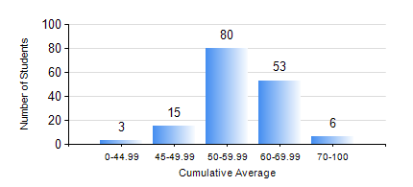
 |  |  | KWAME NKRUMAH UNIVERSITY OF SCIENCE AND TECHNOLOGY, KUMASI Department of Mechanical Engineering

 |  |  | BSC. MECHANICAL ENG.

 |  |  | COMPREHENSIVE RECORD OF EXAMINATION RESULTS

 |  |  | RESULTS OF YEAR 3 SECOND SEMESTER, 2018/2019 ACADEMIC YEAR

 | Sn | Course Code |  | Course Name | Credit Hours | Min. Mark | Max. Mark | Avg. Mark | Std. Dev. | No. Passed | No. Trailed | No. (Df) | No. (I) | No. (I*) | No. Tagged(I,I*,Df) | Total
 | 0. |  |  |  |  |  |  | 0 | 0 | 0 | 0 | 0 | 0 | 0 | 0 | 5
 | 1. | EE 252 |  | ELECTRICAL ENGINEERING MACHINES | 2 | 50 | 85 | 71 | 7.2 | 150 | 0 | 0 | 2 | 0 | 2 | 152
 | 2. | ME 352 |  | FLUID MECHANICS II | 3 | 26 | 78 | 59 | 8.92 | 151 | 1 | 0 | 0 | 0 | 0 | 152
 | 3. | ME 356 |  | STRENGTH OF MATERIALS II | 3 | 31 | 92 | 70 | 12.11 | 150 | 2 | 0 | 0 | 0 | 0 | 152
 | 4. | ME 362 |  | VIBRATIONS I | 3 | 25 | 98 | 57 | 14.01 | 144 | 8 | 0 | 0 | 0 | 0 | 152
 | 5. | ME 366 |  | HEAT TRANSFER | 3 | 40 | 84 | 58 | 9.96 | 152 | 0 | 0 | 0 | 0 | 0 | 152
 | 6. | ME 374 |  | MACHINE DESIGN | 2 | 40 | 92 | 66 | 10.7 | 152 | 0 | 0 | 0 | 0 | 0 | 152
 | 7. | ME 392 |  | INDUSTRIAL ENGINEERING AND ERGONOMICS | 2 | 29 | 70 | 48 | 9.24 | 140 | 12 | 0 | 0 | 0 | 0 | 152
 | 8. | ME 396 |  | MECHANICAL ENGINEERING LABORATORY IV | 1 | 40 | 68 | 50 | 6.59 | 152 | 0 | 0 | 0 | 0 | 0 | 152

